Sort and Filter
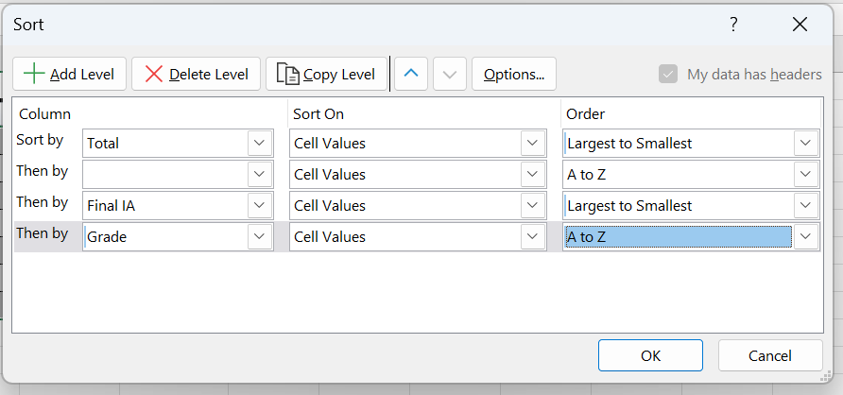
Subject | IA1 | IA2 | IA3 | Final IA | Assignment | Total | Grade
SAN | 23 | 5 | 19 | 16 | 3 | 19 | B
Java | 28 | 8 | 30 | 22 | 2 | 24 | B+
Python | 26 | 7 | 15 | 16 | 4 | 20 | B+
Big Data | 22 | 9 | 14 | 15 | 4 | 19 | B
SADP | 19 | 28 | 12 | 20 | 10 | 30 | A+
DBMS | 14 | 13 | 18 | 15 | 2 | 17 | B
IoT | 29 | 11 | 20 | 20 | 5 | 25 | A

Data Validation
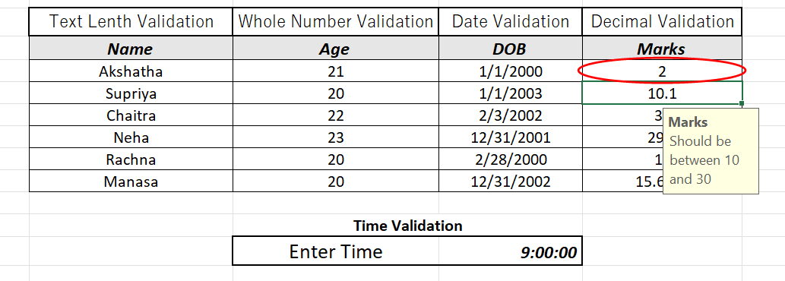
Text Lenth Validation | Whole Number Validation | Date Validation | Decimal Validation
Name | Age | DOB | Marks
Akshatha | 21 | 2000-01-01 | 2
Supriya | 20 | 2003-01-01 | 10.1
Chaitra | 22 | 2002-02-03 | 30
Neha | 23 | 2001-12-31 | 29.9
Rachna | 20 | 2000-02-28 | 15
Manasa | 20 | 2002-12-31 | 15.6667

 | Time Validation
 | Enter Time | 9:00:00

Conditional Formatting
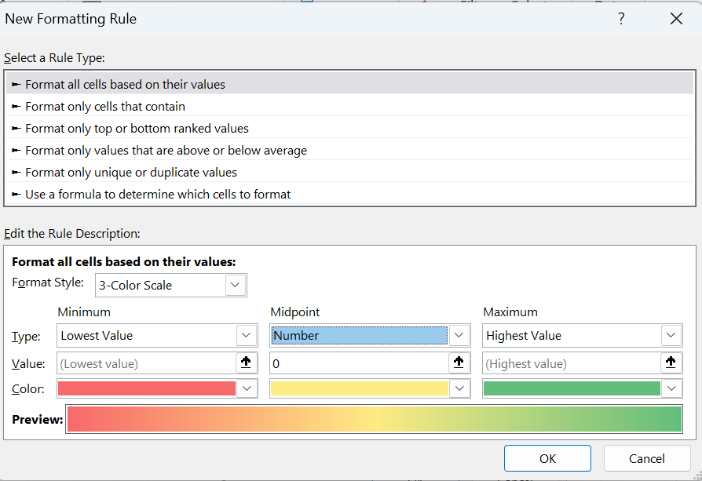
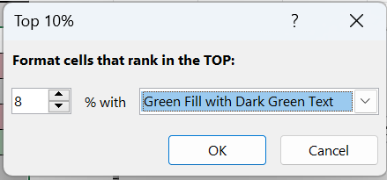
Subject | IA1 | IA2 | IA3 | Final IA | Assignment | Total
SAN | 8 | 27 | 25 | 20 | 1 | 21
Java | 30 | 11 | 19 | 20 | 9 | 29
Python | 7 | 7 | 14 | 9 | 2 | 11
Big Data | 23 | 30 | 10 | 21 | 9 | 30
SADP | 3 | 27 | 29 | 20 | 1 | 21
DBMS | 7 | 4 | 2 | 4 | 7 | 11
IoT | 4 | 21 | 5 | 10 | 6 | 16

